Scottish Water
Scottish Water |  |  | 2002-03 | 2003-04 | 2004-05 | 2005-06 | 2006-07 | 2007-08 | 2008-09 | 2009-10 | 2010-11 | 2011-12 | 2012-13 | 2013-14 | 2014-15 | 2015-16 | 2016-17 | 2017-18 | 2018-19 | 2019-20 | 2020-21 | 2021-22 | Comments
RPI financial year average |  |  | 178 | 182 | 188 | 193 | 200 | 209 | 215 | 216 | 226 | 237 | 245 | 252 | 257 | 259 | 265 | 275 | 283 | 291 | 294
CPI financial year average |  |  |  |  |  |  |  |  |  |  |  |  |  |  |  |  |  |  |  |  | 109 | 113 | WICS moved to CPI as part of its Final Determination in 2021-27

Inflation index - Outturn to 2021/22 prices |  |  | 1.72 | 1.68 | 1.63 | 1.58 | 1.53 | 1.47 | 1.42 | 1.42 | 1.35 | 1.29 | 1.25 | 1.21 | 1.19 | 1.18 | 1.15 | 1.11 | 1.08 | 1.05 | 1.04 | 1.00

Outturn
 |  |  | 2002-03 | 2003-04 | 2004-05 | 2005-06 | 2006-07 | 2007-08 | 2008-09 | 2009-10 | 2010-11 | 2011-12 | 2012-13 | 2013-14 | 2014-15 | 2015-16 | 2016-17 | 2017-18 | 2018-19 | 2019-20 | 2020-21 | 2021-22
Wastewater Capital Expenditure
 |  |  | Annual Return (AR) 02/03 G2.28 | AR03/04 G2.28 | AR04/05 G2.28 | AR05/06 G2.28 | AR06/07 G2.21 | AR07/08 G2.21 | AR08/09 G2.21 | AR09/10 G2.21 | AR14/15, Table G6, filtered for Wastewater |  |  |  |  | AR20/21, Table G6, filtered for Wastewater |  |  |  |  |  | G1.68 Wastewater
Total Investment Expenditure (wastewater) | Outturn prices; £m |  | 178.619 | 188.7 | 253.25924 | 356.959
Total capital expenditure (wastewater) | Outturn prices; £m |  |  |  |  |  | 201.286 | 267.82 | 273.971 | 231.283
Subtotal of Wastewater projects in Table G6 (G1.68 for 2021-22) | Outturn prices; £ |  |  |  |  |  |  |  |  |  | 211941209 | 229022362 | 206113969 | 199989437 | 209153370 | 218485633 | 271871299 | 250278983 | 273589319 | 280139966 | 232816469 | 312,638,097

Allocating General Projects to Wastewater on Pro Rata Basis
 |  |  |  |  |  |  |  |  |  |  | AR14/15, Table G6 |  |  |  |  | AR20/21, Table G6 |  |  |  |  |  |  | There are a number of investment projects in Table G6 which are categorised as 'General' projects. This relates to investment that supports but is not directly attributable to the provision of wastewater services (e.g. information technology, corporate systems, vehicles). The companies in England and Wales include an allocation of this expenditure in their reported wastewater capital expenditure. To ensure this investment is captured, we have allocated this between water and wastewater on a pro-rata basis using the ratio of water versus wastewater project expenditure in each year.
Subtotal of 'Water' & 'Wastewater' in Table G6 (G1.67 Water + G1.68 Wastewater for 2021-22) | Outturn prices; £ |  |  |  |  |  |  |  |  |  | 403041862 | 458129438 | 428412029 | 411333490 | 400263277 | 464724732 | 595686146 | 590382012 | 602664958 | 604279650 | 534279041 | 751,115,149
Proportion of total investment that is wastewater | % |  |  |  |  |  |  |  |  |  | 0.53 | 0.50 | 0.48 | 0.49 | 0.52 | 0.47 | 0.46 | 0.42 | 0.45 | 0.46 | 0.44 | 0.42

Subtotal of 'General' projects in Table G6 (G1.69 for 2021-22) | Outturn prices; £ |  |  |  |  |  |  |  |  |  | 37,345,672 | 3,071,627 | 59,030,310 | 63,880,495 | 69,682,711 | - | 31,024,387 | 56,279,842 | 57,268,152 | 60,317,427 | 77,348,454 | 23,303,299

Estimated wastewater portion of General projects | Outturn prices; £ |  |  |  |  |  |  |  |  |  | 19,638,374 | 1,535,529 | 28,400,163 | 31,058,556 | 36,411,969 | - | 14,159,538 | 23,858,555 | 25,997,786 | 27,962,752 | 33,705,223 | 9,699,577

Total wastewater capital expenditure (£m) | Outturn prices; £m |  | 178.62 | 188.70 | 253.26 | 356.96 | 201.29 | 267.82 | 273.97 | 231.28 | 231.58 | 230.56 | 234.51 | 231.05 | 245.57 | 218.49 | 286.03 | 274.14 | 299.59 | 308.10 | 266.52 | 322.34 | This line combines the wastewater capital expenditure and the estimated wastewater portion of general project expenditure.

Renewals expensed as operating expenditure | Outturn prices; £m |  | 46.05 | 25.43 | 26.88 | 19.66 | 20.19 | 24.35 | 19.53 | 20.57 | 21.63 | 17.91 | 18.69 | 18.55 | 17.10 | 16.76 | 18.97 | 20.85 | 19.03 | 27.629 | 22.13 | 0.00

Renewals expensed as operating expenditure | 2021/22 prices; £m |  | 79.34 | 42.62 | 43.69 | 31.14 | 30.83 | 35.70 | 27.81 | 29.16 | 29.22 | 23.08 | 23.36 | 22.53 | 20.38 | 19.75 | 21.89 | 23.19 | 20.54 | 29.07 | 23.01 | 0.00

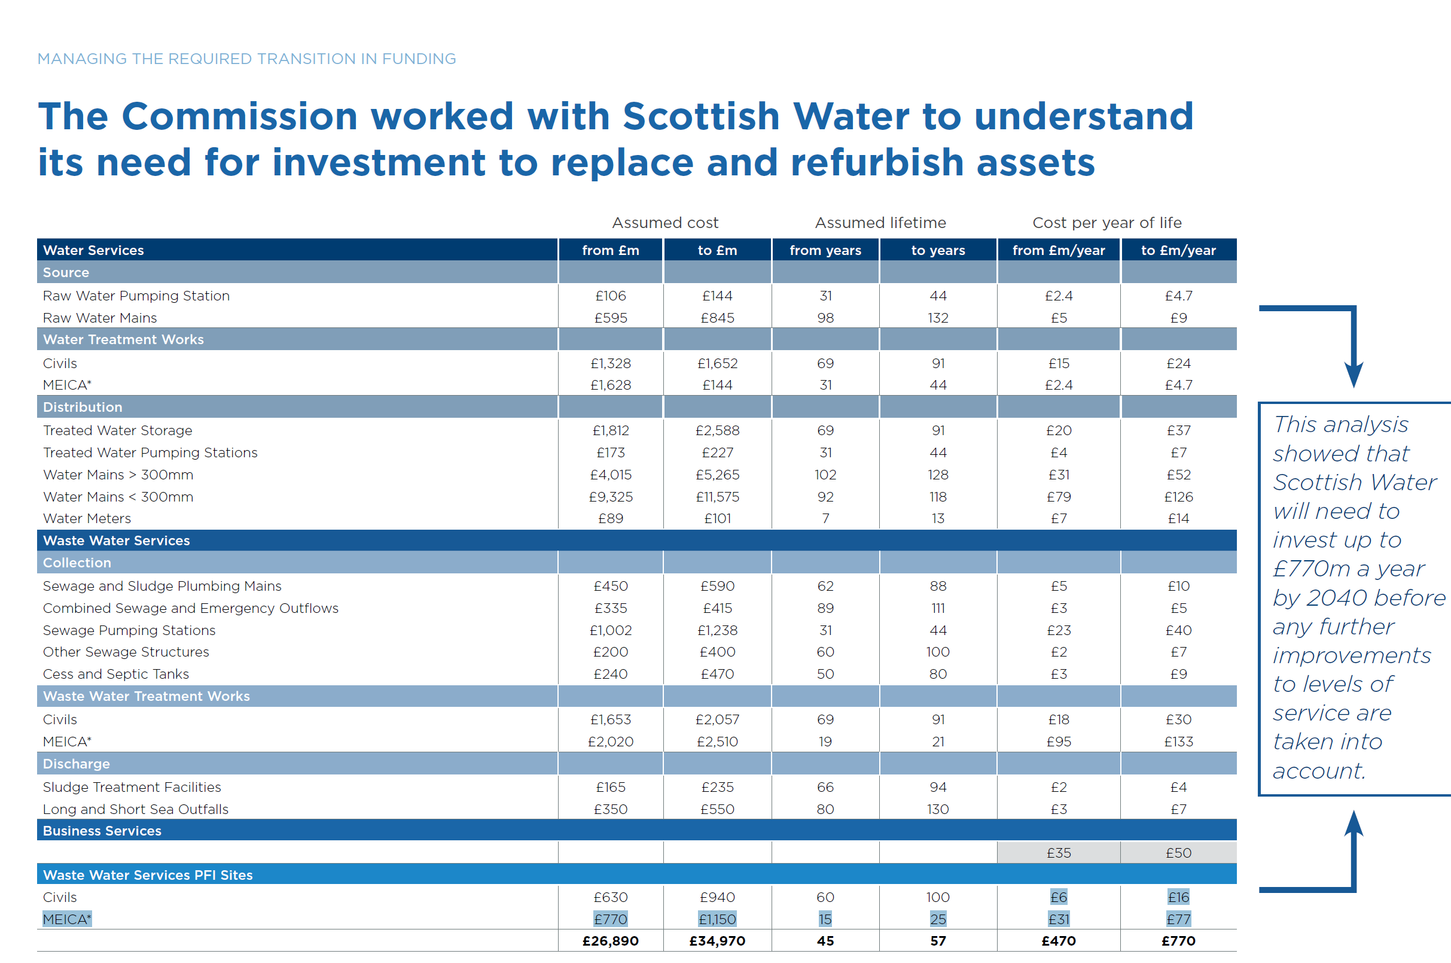
Estimated PFI Investment
 |  |  |  |  |  |  |  |  |  |  |  |  |  |  |  |  |  |  |  |  |  |  | Scottish Water has nine contracts in place with third parties for the provision of wastewater treatment and disposal. The PFI contractors are responsible for all capital expenditure at the wastewater treatment works over the lifetime of the contract. As such, the wastewater capital expenditure of the PFI contractors is not included in Scottish Water’s reported capital expenditure. We have estimated the likely annual investment at these assets by using the cost per year of life assessed in our Draft Determination for our Strategic Review of Charges 2021-27 (see excerpt to right). To be conservative, we have used the midpoint of the range. | WICS Draft Determination 2021-27, p.64
WICS Draft Determination 2021-27, p.64 |  | For 2021-27 period |  | Midpoint
Cost per year of life - Wastewater Services PFI Sites |  | from | to
Civils structures | 2017/18 prices; £m/year | 6 | 16
Mechanical Electrical Instrumentation Control and Automation (MEICA) |  | 31 | 77
Civils+MEICA | Calculated | 37 | 93 | 65

 |  |  | 2002-03 | 2003-04 | 2004-05 | 2005-06 | 2006-07 | 2007-08 | 2008-09 | 2009-10 | 2010-11 | 2011-12 | 2012-13 | 2013-14 | 2014-15 | 2015-16 | 2016-17 | 2017-18 | 2018-19 | 2019-20 | 2020-21 | 2021-22
Estimated PFI wastewater capital expenditure (midpoint) | 2021/22 prices; £m |  | 72 | 72 | 72 | 72 | 72 | 72 | 72 | 72 | 72 | 72 | 72 | 72 | 72 | 72 | 72 | 72 | 72 | 72 | 72 | 72

2021/22 Prices
 |  |  | 2002-03 | 2003-04 | 2004-05 | 2005-06 | 2006-07 | 2007-08 | 2008-09 | 2009-10 | 2010-11 | 2011-12 | 2012-13 | 2013-14 | 2014-15 | 2015-16 | 2016-17 | 2017-18 | 2018-19 | 2019-20 | 2020-21 | 2021-22
Estimated PFI wastewater capital expenditure (midpoint) | 2021/22 prices; £m |  | 72 | 72 | 72 | 72 | 72 | 72 | 72 | 72 | 72 | 72 | 72 | 72 | 72 | 72 | 72 | 72 | 72 | 72 | 72 | 72
Total wastewater capital expenditure (excluding PFI) | 2021/22 prices; £m |  | 308 | 316 | 412 | 565 | 307 | 393 | 390 | 328 | 313 | 297 | 293 | 281 | 293 | 258 | 330 | 305 | 323 | 324 | 277 | 322
Total wastewater capital expenditure (including PFI) | 2021/22 prices; £m |  | 380 | 389 | 484 | 638 | 380 | 465 | 462 | 400 | 385 | 369 | 365 | 353 | 365 | 330 | 402 | 377 | 396 | 397 | 349 | 395

 |  |  | AR03 A3.81 | AR04 A3.81 | AR05 A3.81 | AR06 A3.81 | AR07 A2.6 | AR08 A2.6 | AR09 A2.6 | AR10 A2.6 | AR11 A3.1 | AR12 A3.1 | AR13 A3.1 | AR14 A3.1 | AR15 A3.1 | AR16 A3.1 | AR17 A3.1 | AR18 A3.1 | AR19 A3.1 | AR20 A3.1 | AR21 A3.1 | AR22 A3.1
Wastewater Resident population | 000s |  | 4731 | 4934 | 4913 | 4944 | 4955 | 4979 | 5002 | 5035 | 5057 | 4880 | 4898 | 4915 | 4986 | 5004 | 5018 | 5086 | 5153 | 5156 | 5164 | 5140

Total wastewater capital expenditure per head | 2021/22 prices; £m |  | 80 | 79 | 99 | 129 | 77 | 93 | 92 | 79 | 76 | 76 | 75 | 72 | 73 | 66 | 80 | 74 | 77 | 77 | 68 | 77
Average wastewater capital expenditure per head (2002/03 - 2020/21) | 2021/22 prices; £m |  | 81

Total wastewater capital expenditure (including PFI & renewals) | 2021/22 prices; £m |  | 459 | 431 | 528 | 669 | 410 | 501 | 490 | 429 | 414 | 393 | 389 | 376 | 385 | 350 | 424 | 400 | 416 | 426 | 372 | 395

Total wastewater capital expenditure (including PFI & renewals) | Outturn prices; £m |  | 267 | 257 | 325 | 422 | 269 | 341 | 344 | 303 | 307 | 305 | 311 | 309 | 323 | 297 | 368 | 360 | 386 | 404 | 358 | 395

